fase 1 opstelling 2
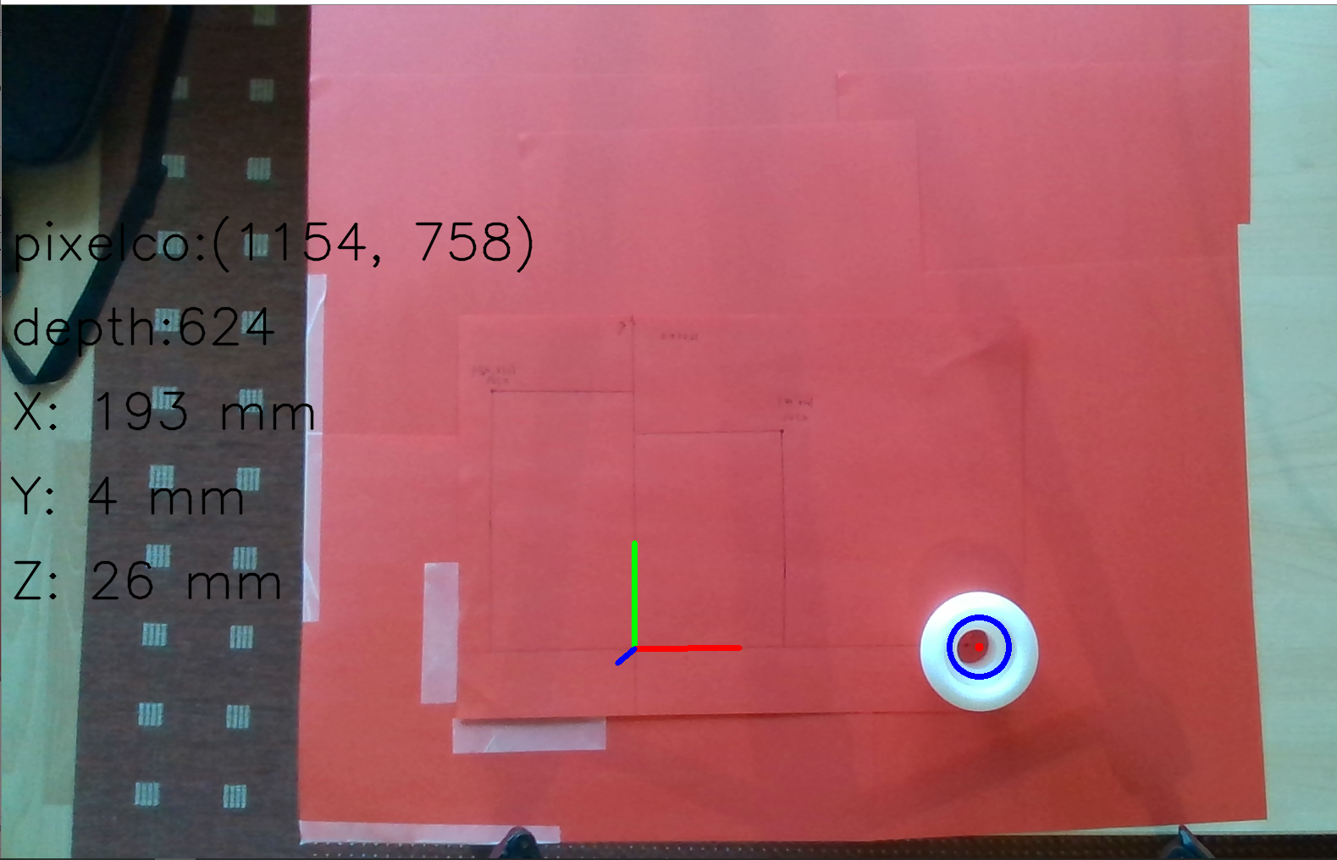
fase 1 herkenning |  |  |  | fase 1 accuraatheid
 |  |  | 1= herkend | positie 1 |  |  |  |  |  |  |  |  |  | PA tot = wortel(PA x² + PA y² + PA z²)
poging | herkenning |  | 0= niet herkend | meting | ref x [mm] | ref y [mm] | refz [mm] | output x [mm] | output y [mm] | output z [mm] | PA x | PA y | PA z | PA tot | [%] |  | afw x | afw y | afw z | afw tot | [mm]
1 | 1 |  |  | 1 | -74 | 132 | 37.25 | -77 | 146 | 31 | 4.05 | 10.61 | -16.78 | 7.77 |  |  | -3.00 | 14.00 | -6.25 | 12.10
2 | 1 |  |  | 2 | -74 | 132 | 37.25 | -76 | 146 | 32 | 2.70 | 10.61 | -14.09 | 7.59 |  |  | -2.00 | 14.00 | -5.25 | 11.83
3 | 1 |  |  | 3 | -74 | 132 | 37.25 | -77 | 146 | 31 | 4.05 | 10.61 | -16.78 | 7.77 |  |  | -3.00 | 14.00 | -6.25 | 12.10
4 | 1 |  |  | 4 | -74 | 132 | 37.25 | -77 | 146 | 32 | 4.05 | 10.61 | -14.09 | 7.89 |  |  | -3.00 | 14.00 | -5.25 | 12.29
5 | 1 |  |  | 5 | -74 | 132 | 37.25 | -77 | 146 | 32 | 4.05 | 10.61 | -14.09 | 7.89 |  |  | -3.00 | 14.00 | -5.25 | 12.29
6 | 1
7 | 1 |  |  | positie 2
8 | 1 |  |  | meting | ref x [mm] | ref y [mm] | refz [mm] | output x [mm] | output y [mm] | output z [mm] | PA x | PA y | PA z | PA tot | [%] |  | afw x | afw y | afw z | afw tot | [mm]
9 | 1 |  |  | 1 | 79 | 114 | 37.25 | 86 | 123 | 25 | 8.86 | 7.89 | -32.89 | 5.95 |  |  | 7.00 | 9.00 | -12.25 | 8.54
10 | 1 |  |  | 2 | 79 | 114 | 37.25 | 86 | 123 | 27 | 8.86 | 7.89 | -27.52 | 6.18 |  |  | 7.00 | 9.00 | -10.25 | 8.88
 |  |  |  | 3 | 79 | 114 | 37.25 | 89 | 123 | 29 | 12.66 | 7.89 | -22.15 | 7.63 |  |  | 10.00 | 9.00 | -8.25 | 10.95
 |  |  |  | 4 | 79 | 114 | 37.25 | 88 | 123 | 29 | 11.39 | 7.89 | -22.15 | 7.23 |  |  | 9.00 | 9.00 | -8.25 | 10.38
percentage herkenning mits correcte kleurcalibratie |  |  |  | 5 | 79 | 114 | 37.25 | 89 | 124 | 28 | 12.66 | 8.77 | -24.83 | 8.06 |  |  | 10.00 | 10.00 | -9.25 | 11.57
 | 100.00 | [%]
 |  |  |  | positie 3
 |  |  |  | meting | ref x [mm] | ref y [mm] | refz [mm] | output x [mm] | output y [mm] | output z [mm] | PA x | Afwijking y [mm] | PA z | PA tot | [%] |  | afw x | afw y | afw z | afw tot | [mm]
 |  |  |  | 1 | 175 | 0 | 37.25 | 194 | 3 | 27 | 10.857142857 | 3 | -27.516778523 |  |  |  | 19.00 | 3.00 | -10.25 | 16.97
 |  |  |  | 2 | 175 | 0 | 37.25 | 194 | 3 | 27 | 10.857142857 | 3 | -27.516778523 |  |  |  | 19.00 | 3.00 | -10.25 | 16.97
 |  |  |  | 3 | 175 | 0 | 37.25 | 194 | 3 | 27 | 10.857142857 | 3 | -27.516778523 |  |  |  | 19.00 | 3.00 | -10.25 | 16.97
 |  |  |  | 4 | 175 | 0 | 37.25 | 194 | 4 | 29 | 10.857142857 | 4 | -22.147651007 |  |  |  | 19.00 | 4.00 | -8.25 | 17.28
 |  |  |  | 5 | 175 | 0 | 37.25 | 194 | 3 | 27 | 10.857142857 | 3 | -27.516778523 |  |  |  | 19.00 | 3.00 | -10.25 | 16.97
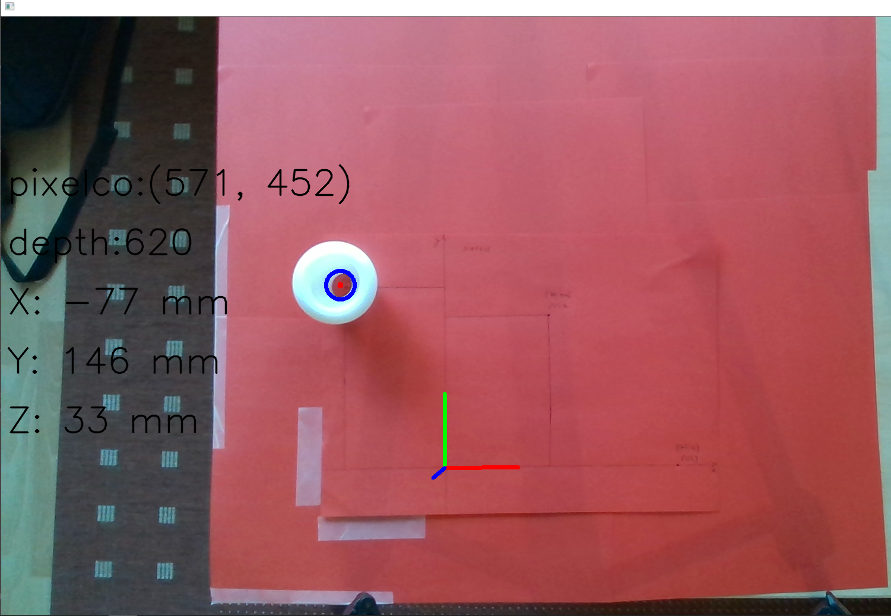
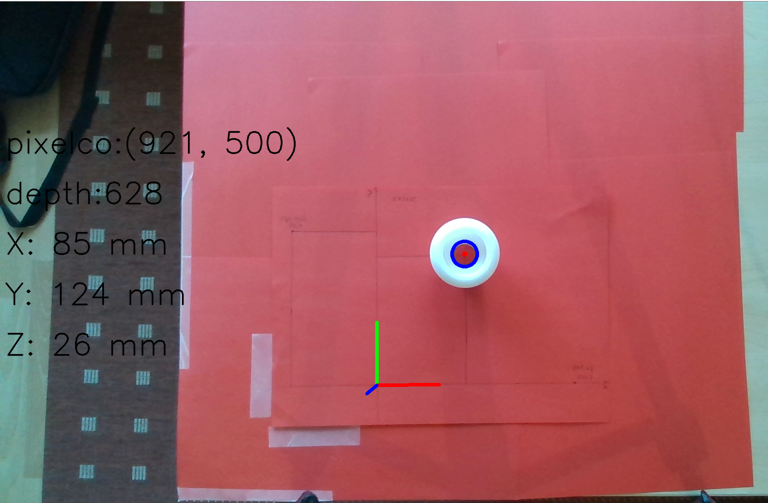
 |  |  |  |  |  |  |  |  |  |  | x | y | z | tot |  |  | x | y | z | tot
 |  |  |  |  |  |  |  |  |  | gemiddelde PA | 8.51 | 9.34 | -22.51 | 7.39 |  | gem afw | 8.27 | 8.80 | -8.38 | 13.07
 |  |  |  |  |  |  |  |  |  | max pa | 12.66 | 10.61 | -14.09 | 8.06 |  | max afw | 19.00 | 14.00 | -5.25 | 17.28
 |  |  |  |  |  |  |  |  |  | min pa | 2.70 | 7.89 | -32.89 | 5.95 |  | min afw | -3.00 | 3.00 | -12.25 | 8.54

